Sheet1
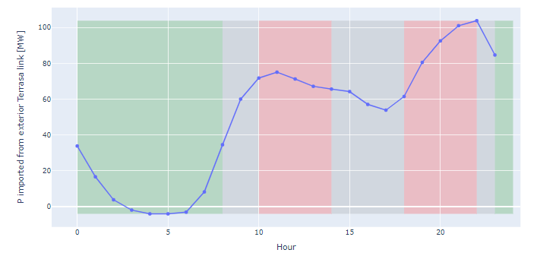
demand_pu | Wind_pu | Solar_pu | Gas_pu | Storage_pu | imports | filling storage | real demand | real wind
0.776 | 0.935 | 0.005 | 0.4515455305 | 0.32552964181 | -33.798 | 1.000
0.723 | 0.947 | 0.005 | 0.4354636591 | 0.15965386211 | -16.576 | 1.000
0.681 | 0.934 | 0.005 | 0.4333751044 | 0.036018147645 | -3.740 | 1.000
0.658 | 0.899 | 0.005 | 0.4241854637 | -0.019409020694 | 2.015 | 0.000
Power generation pu
0.648 | 0.873 | 0.005 | 0.4237677527 | -0.039753721541 | 4.127 | 0.000
0.648 | 0.873 | 0.005 | 0.4237677527 | -0.039753721541 | 4.127 | 0.000
0.650 | 0.869 | 0.005 | 0.4747284879 | -0.030617938406 | 3.179 | 0.000
0.686 | 0.861 | 0.005 | 0.4697159566 | 0.078276060415 | -8.127 | 1.000
0.773 | 0.885 | 0.005 | 0.6476608187 | 0.33228168763 | -34.499 | 1.000
0.855 | 0.902 | 0.005 | 0.8598579783 | 0.57800099861 | -60.010 | 1.000
0.893 | 0.895 | 0.061 | 0.8550543024 | 0.69124779892 | -71.768 | 1.000
0.923 | 0.887 | 0.440 | 0.8053467001 | 0.72291798982 | -75.056 | 1.000
0.928 | 0.875 | 0.778 | 0.6723057644 | 0.68621429701 | -71.245 | 1.000
0.921 | 0.857 | 0.913 | 0.6046365915 | 0.64668424257 | -67.141 | 1.000
0.921 | 0.874 | 0.963 | 0.5476190476 | 0.6318759238 | -65.604 | 1.000
0.921 | 0.897 | 1.000 | 0.4682539683 | 0.61847845497 | -64.213 | 1.000
0.897 | 0.894 | 0.967 | 0.4204260652 | 0.54924839107 | -57.025 | 1.000
0.882 | 0.904 | 0.849 | 0.4962406015 | 0.51853486778 | -53.836 | 1.000
0.882 | 0.902 | 0.419 | 0.7065580618 | 0.5920848602 | -61.473 | 1.000
0.922 | 0.914 | 0.039 | 1 | 0.77565782998 | -80.532 | 1.000
0.960 | 0.939 | 0.007 | 0.9434001671 | 0.89143216873 | -92.552 | 1.000
0.989 | 0.967 | 0.006 | 0.9314954052 | 0.97309413417 | -101.030 | 1.000
1.000 | 0.986 | 0.006 | 0.9058061821 | 1 | -103.824 | 1.000
0.943 | 1.000 | 0.006 | 0.7383040936 | 0.81526257817 | -84.644 | 1.000

